Training DDoS
Test | Epochs | Learning Rate | Best Model | Acurracy Best Model | Loss Best Model | Last Model | Accuracy Last Model | Loss Last Model
1 | 100 | 0.003 | [[ 0.61626551] [ 0.37887399] [-0.31730653] [ 0.44012355] [ 0.94250766] [ 0.12367828] [ 0.15974622] [-0.04928295] [ 0.81183535]] | 54.607401785 | 7.3164223442 | [[ 0.61602502] [ 0.37881027] [-0.32150237] [ 0.44059273] [ 0.94275129] [ 0.12651657] [ 0.15716994] [-0.05169562] [ 0.81190296]] | 52.810403045 | 7.6060643218 | 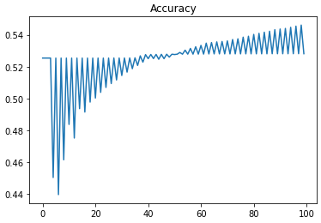 | 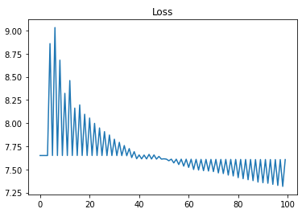
2 | 500 | 0.001 | [[ 0.9586582 ] [ 0.56162362] [-0.1696286 ] [ 0.6441414 ] [ 0.27219544] [ 0.10223428] [ 0.51532434] [ 0.03493369] [ 0.78448223]] | 63.98402583 | 5.8050891023 | [[ 0.94606754] [ 0.53195501] [-0.1599434 ] [ 0.60903007] [ 0.19064887] [ 0.09322725] [ 0.39782919] [-0.10294714] [ 0.67112665]] | 62.096533495 | 6.1093169243 | 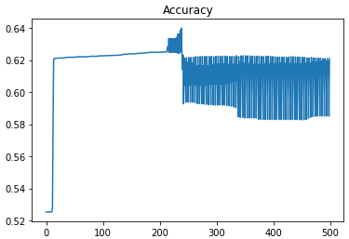 | 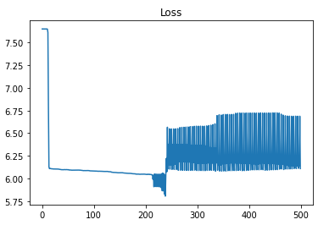
3 | 1000 | 0.0001 | [[ 0.25409053] [ 0.94935649] [-0.052604 ] [ 0.60816213] [ 0.40555122] [ 0.0201064 ] [ 0.74249295] [-0.01328742] [ 0.01256544]] | 62.552052889 | 6.0358958722 | [[ 0.25408195] [ 0.94933966] [-0.0526693 ] [ 0.60809982] [ 0.4054564 ] [ 0.02017835] [ 0.74240333] [-0.0133692 ] [ 0.01245519]] | 62.549955039 | 6.0362340055 | 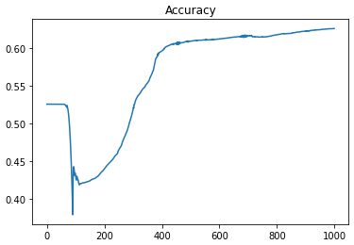 | 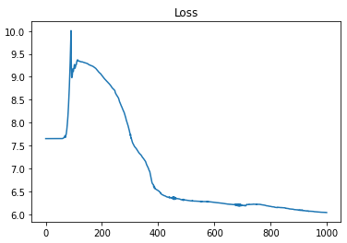
4 | 1500 | 0.00001 | [[ 0.16429053] [ 0.11841649] [-0.35595047] [ 0.93205309] [ 0.12615699] [ 0.31580778] [-0.00371295] [ 0.44285491] [ 0.61657789]] | 67.045741699 | 5.3115988069 | [[ 0.16428565] [ 0.11841547] [-0.35592275] [ 0.93202109] [ 0.1261205 ] [ 0.31578513] [-0.00374945] [ 0.44245631] [ 0.61653891]] | 67.045169559 | 5.3116910251 | 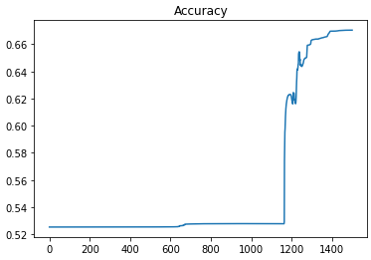 | 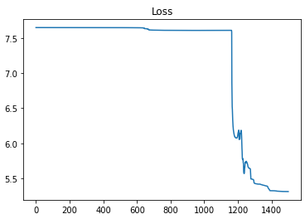
5 | 2000 | 0.00001 | [[ 0.10007153] [ 0.1842296 ] [-0.27975496] [ 0.97001587] [ 0.35860767] [ 0.23157942] [ 0.94575846] [ 0.16895335] [ 0.84593948]] | 64.929297707 | 5.6527292762 | [[ 0.09996944] [ 0.18411864] [-0.2832858 ] [ 0.96959125] [ 0.35796692] [ 0.22753333] [ 0.9451566 ] [ 0.16367288] [ 0.84518496]] | 64.343902362 | 5.7470838583 | 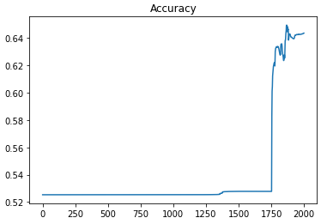 | 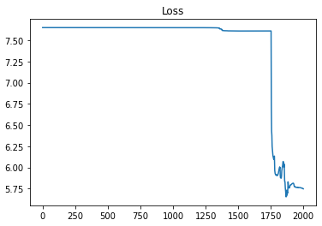

Training DoS
Test | Epochs | Learning Rate | Best Model | Acurracy Best Model | Loss Best Model | Last Model | Accuracy Last Model | Loss Last Model
1 | 100 | 0.003 | [[ 0.43260112] [ 0.60402279] [ 0.27005074] [ 0.75485948] [ 0.35756716] [-0.25051537] [ 0.46355542] [ 0.16275777] [ 0.70854978]] | 61.585802518 | 6.1916370321 | [[ 0.43407195] [ 0.60361739] [ 0.20875002] [ 0.74149817] [ 0.34580142] [-0.39895599] [ 0.41759835] [-0.03206811] [ 0.69850553]] | 61.572547924 | 6.1937734203 | 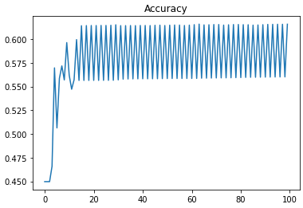 | 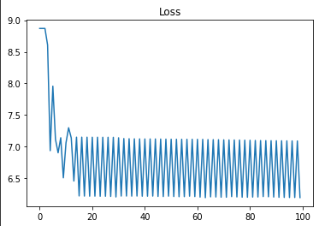
2 | 500 | 0.001 | [[ 0.95761397] [ 0.5538735 ] [ 0.08329503] [ 0.01697234] [ 0.11490448] [-0.09929685] [ 0.82430555] [ 0.21940387] [ 0.05221876]] | 64.782352891 | 5.6764139823 | [[ 0.96614353] [ 0.55090471] [ 0.22629562] [-0.02223126] [ 0.08072121] [-0.25952296] [ 0.61216692] [-0.16764014] [ 0.0239519 ]] | 63.706156139 | 5.8498764052 | 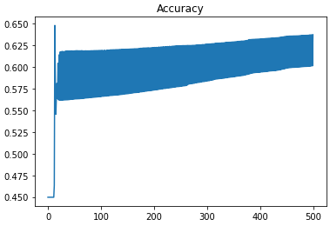 | 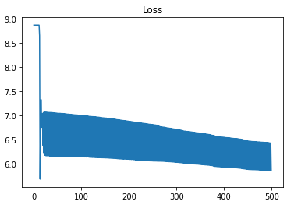
3 | 1000 | 0.0001 | [[ 0.55753582] [ 0.42080384] [ 0.12750311] [ 0.04603207] [ 0.86918419] [-0.18939138] [ 0.66985677] [ 0.00639771] [ 0.81600138]] | 60.341968527 | 6.3921193858 | [[ 0.55950837] [ 0.41071594] [ 0.1315486 ] [ 0.01523075] [ 0.82279547] [-0.19387199] [ 0.62954308] [-0.0342612 ] [ 0.764187 ]] | 59.279979937 | 6.5632917236 | 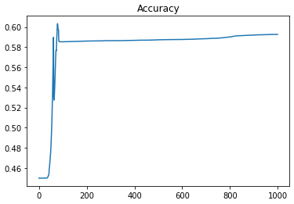 |  | 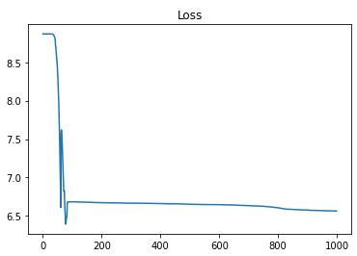
4 | 1500 | 0.00001 | [[ 0.89716755] [ 0.3200228 ] [ 0.29604622] [-0.00442683] [ 0.16278731] [-0.30555932] [ 0.76174469] [ 0.5890561 ] [ 0.498294 ]] | 70.942687707 | 4.683485318 | [[ 0.89704645] [ 0.3197698 ] [ 0.28312184] [-0.0047812 ] [ 0.16209586] [-0.31859237] [ 0.7613065 ] [ 0.58509904] [ 0.49739219]] | 65.064322924 | 5.6309657824 | 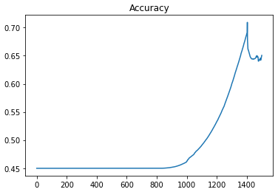 |  | 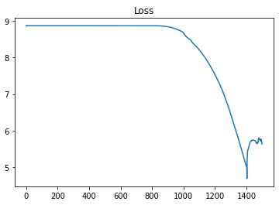
5 | 2000 | 0.00001 | [[ 0.60976271] [ 0.30988843] [ 0.24970262] [ 0.05544836] [ 0.23699039] [-0.25620528] [ 0.45148752] [ 0.49958841] [ 0.06319387]] | 72.169071406 | 4.4858156192 | [[ 0.60979728] [ 0.30901068] [ 0.24282425] [ 0.05358504] [ 0.23373484] [-0.26332203] [ 0.44807018] [ 0.46890274] [ 0.05948102]] | 62.599540571 | 6.0282417621 | 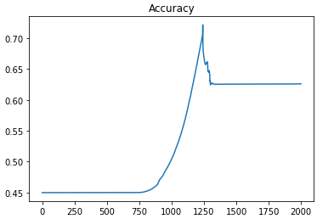 |  | 